JSCE
ID | Survey data |  |  |  |  |  |  |  |  |  |  |  |  |  |  |  |  |  | Group name | Comments | Tidal correction (this column can leave blank) |  |  |  |  |  | Water Area
 | Location | latitude |  |  | longitude |  |  | date | time | Measured height from sea level [m] | (Optional) Measured height from the ground [m] | (Optionnal) Wave height [m] | Type of data | (Optional) Terrain elevation [m] | (Optional) Distance from shoreline | Target | Reason | Reliability*2 |  |  | Tidal level at survey | Astronimical tidal level at event |  |  |  | Corrected height | 1-saltwater/2-freshwater | Timing of wind started blow
 |  | deg | min | sec | deg | min | sec |  |  |  |  |  |  |  |  |  |  |  |  |  | [m] | date | time | [m] | location | a+b-c (m)
1 | Banate | 11 | 0 | 1.50 | 122 | 49 | 5.20 | 2014-01-27 | 15:35:00 | 2.57 | 0.00 |  | R |  |  | witness | Residents of oyster house witnessed runup in front of the house. | B | JSCE2-A | Tide stayed for 10 to 20 minutes. | 0.81 | 2013-11-08 | 14:00:00 | 1.03 | Banate | 2.3 | 1
2 | Banate | 11 | 0 | 1.10 | 122 | 49 | 9.00 | 2014-01-27 | 15:45:00 | 2.61 | 0.00 |  | R |  |  | witness | wintess | D | JSCE2-A |  | 0.84 | 2013-11-08 | 14:00:00 | 1.03 | Banate | 2.4 | 1
3 | Culasi | 11 | 4 | 37.90 | 122 | 59 | 14.20 | 2014-01-27 | 16:45:00 | 1.36 | 0.00 |  | R |  |  | witness | Residents witnessed runup in front of the house | B | JSCE2-A |  | 1.07 | 2013-11-08 | 14:00:00 | 1.03 | Culasi | 1.4 | 1
4 | Ajuy | 11 | 8 | 37.40 | 123 | 1 | 1.20 | 2014-01-27 | 17:30:00 | 1.93 | 0.38 |  | I |  |  | witness |  | C | JSCE2-A |  | 1.27 | 2013-11-08 | 14:00:00 | 1.03 | Ajuy | 2.2 | 1
5 | Ajuy | 11 | 8 | 36.20 | 123 | 1 | 2.30 | 2014-01-27 | 17:30:00 | 2.83 | 0.97 |  | I |  |  | witness |  | D | JSCE2-A |  | 1.27 | 2013-11-08 | 14:00:00 | 1.03 | Ajuy | 3.1 | 1
6 | Ajuy | 11 | 8 | 35.40 | 123 | 1 | 1.30 | 2014-01-27 | 17:30:00 | 2.34 | 0.70 |  | I |  |  | witness |  | B | JSCE2-A |  | 1.27 | 2013-11-08 | 14:00:00 | 1.03 | Ajuy | 2.6 | 1
7 | Roxas San Antonio Resort | 11 | 36 | 24.10 | 122 | 43 | 52.70 | 2014-01-28 | 7:30:00 | 2.63 | 0.00 |  | R |  |  | witness |  | C | JSCE2-A |  | 0.25 | 2013-11-08 | 15:00:00 | 0.86 | Roxas | 2.0 | 1
8 | BRGY Solo | 11 | 27 | 25.30 | 122 | 50 | 43.60 | 2014-01-28 | 9:50:00 | 1.89 | 0.00 |  | R |  |  | witness |  | C | JSCE2-A |  | 0.62 | 2013-11-08 | 15:00:00 | 0.86 | Roxas | 1.6 | 2
9 | Marita | 11 | 26 | 30.00 | 122 | 55 | 6.50 | 2014-01-28 | 11:00:00 | 2.73 | 0.73 |  | I |  |  | witness |  | C | JSCE2-A |  | 0.71 | 2013-11-08 | 15:00:00 | 0.86 | Pilar | 2.6 | 2
10 | Situo Solis | 11 | 26 | 34.10 | 122 | 55 | 0.80 | 2014-01-28 | 11:20:00 | 2.46 | 0.70 |  | I |  |  | witness |  | B | JSCE2-A |  | 0.71 | 2013-11-08 | 15:00:00 | 0.86 | Pilar | 2.3 | 2
11 | Situo Solis | 11 | 26 | 34.40 | 122 | 55 | 1.40 | 2014-01-28 | 11:20:00 | 2.36 | 0.99 |  | I |  |  | witness |  | B | JSCE2-A |  | 0.71 | 2013-11-08 | 15:00:00 | 0.86 | Pilar | 2.2 | 2
12 | Pilar | 11 | 29 | 19.60 | 122 | 59 | 51.10 | 2014-01-28 | 12:00:00 | 2.53 | 0.00 |  | R |  |  | witness |  | B | JSCE2-A |  | 0.72 | 2013-11-08 | 15:00:00 | 0.86 | Pilar | 2.4 | 1
13 | Estancia Pa-on Beach Resort | 11 | 27 | 40.40 | 123 | 9 | 27.00 | 2014-01-28 | 14:15:00 | 5.59 | 0.20 |  | I |  |  | watermark |  | A | JSCE2-A |  | 0.67 | 2013-11-08 | 13:00:00 | 0.70 | Estancia | 5.6 | 1
14 | Estancia Pa-on Beach Resort | 11 | 27 | 40.00 | 123 | 9 | 27.30 | 2014-01-28 | 14:15:00 | 7.32 | 0.00 |  | V |  |  | debris |  | C | JSCE2-A |  | 0.67 | 2013-11-08 | 13:00:00 | 0.70 | Estancia | 7.3 | 1
15 | Estancia Pa-on Beach Resort | 11 | 27 | 40.00 | 123 | 9 | 27.30 | 2014-01-28 | 14:15:00 | 7.80 | 0.00 |  | V |  |  | debris |  | C | JSCE2-A |  | 0.67 | 2013-11-08 | 13:00:00 | 0.70 | Estancia | 7.8 | 1
16 | San Dionisio | 11 | 16 | 49.90 | 123 | 5 | 44.00 | 2014-01-28 | 15:55:00 | 6.23 | 0.00 |  | R |  |  | witness |  | C | JSCE2-A |  | 0.66 | 2013-11-08 | 13:00:00 | 0.72 | Conception | 6.2 | 1
17 | Conception SBS Iyan Beach Resort | 11 | 13 | 9.70 | 123 | 5 | 57.00 | 2014-01-28 | 17:00:00 | 3.86 | 1.02 |  | I |  |  | witness |  | B | JSCE2-A |  | 0.82 | 2013-11-08 | 13:00:00 | 0.72 | Conception | 4.0 | 1
18 | Cogon | 11 | 36 | 25.10 | 122 | 46 | 53.50 | 2014-01-29 | 8:50:00 | 2.32 | 0.10 |  | R |  |  | witness |  | C | JSCE2-A |  | 0.32 | 2013-11-08 | 15:00:00 | 0.86 | Roxas | 1.8 | 1
19 | San Dionisio | 11 | 16 | 17.30 | 123 | 5 | 47.30 | 2014-01-29 | 11:30:00 | 3.87 | 0.46 |  | I |  |  | watermark |  | C | JSCE2-A |  | 1.19 | 2013-11-08 | 13:00:00 | 0.72 | Conception | 4.3 | 1
20 | San Dionisio | 11 | 16 | 24.00 | 123 | 5 | 42.60 | 2014-01-29 | 12:00:00 | 4.97 | 1.38 |  | I |  |  | watermark |  | A | JSCE2-A |  | 1.25 | 2013-11-08 | 13:00:00 | 0.72 | Conception | 5.5 | 1
21 | Estancia | 11 | 27 | 15.30 | 123 | 9 | 8.10 | 2014-01-29 | 14:50:00 | 3.67 | 0.60 |  | I |  |  | witness |  | C | JSCE2-A |  | 0.76 | 2013-11-08 | 13:00:00 | 0.70 | Estancia | 3.7 | 1
22 | Carles | 11 | 33 | 26.10 | 123 | 9 | 30.10 | 2014-01-29 | 15:40:00 | 3.55 | 1.00 |  | I |  |  | watermark |  | A | JSCE2-A |  | 0.60 | 2013-11-08 | 13:00:00 | 0.70 | Estancia | 3.4 | 1
23 | Carles | 11 | 33 | 26.20 | 123 | 9 | 30.60 | 2014-01-29 | 15:40:00 | 3.47 | 0.66 |  | I |  |  | watermark |  | A | JSCE2-A |  | 0.60 | 2013-11-08 | 13:00:00 | 0.70 | Estancia | 3.4 | 1

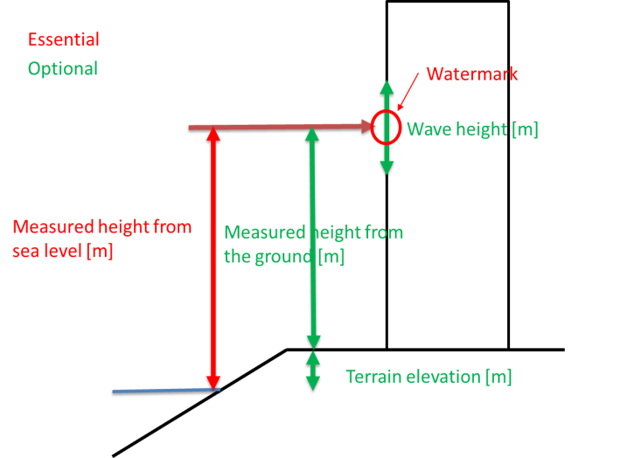
 |  |  |  |  |  |  |  |  |  |  |  |  |  |  |  |  |  |  | Name | Affiliation
 |  |  |  |  |  |  |  |  |  |  |  |  |  |  |  |  |  | * | Tomohiro Yasuda | DPRI, Kyoto University
 |  |  |  |  |  |  |  |  |  |  |  |  |  |  |  |  |  |  | Nobuhito Mori | DPRI, Kyoto University
 |  |  |  |  |  |  |  |  |  |  |  |  |  |  |  |  |  |  | Kazuyoshi Nishijima | DPRI, Kyoto University
 |  |  |  |  |  |  |  |  |  |  |  |  |  |  |  |  |  |  | Daiki Tsujio | Pacific Consultants Co. Ltd.

 |  |  |  |  |  |  |  |  |  |  |  |  |  |  |  |  |  |  | ※代表者の氏名に◯を付ける．

 |  |  |  |  |  |  | ;

